AdvanceDecline ratio
Indicator | Descripton | Style | Input | Trade signal | Performance: Threshold: OB 1.25 / OS 0.90 (Length 14) | Optimal: Threshold: OB 160 / OS 43 (Length 7) | Indicating value
Advance/Decline ratio | Good | Good | Good | Find better picture of indicator and trading | Best risk to reward: | Best risk to reward: | Diffrent from Tradingview
 |  |  |  |  | Target +0.72% / Stop loss -0.20% | Target +0.31% / Stop loss -0.00%
 |  |  |  |  | Win/Loss Ratio: | Win/Loss Ratio:
Arrows does not make sense to me: |  |  |  |  | 277% (82 wins/29 loss) | 22050% (21 wins/0 loss)
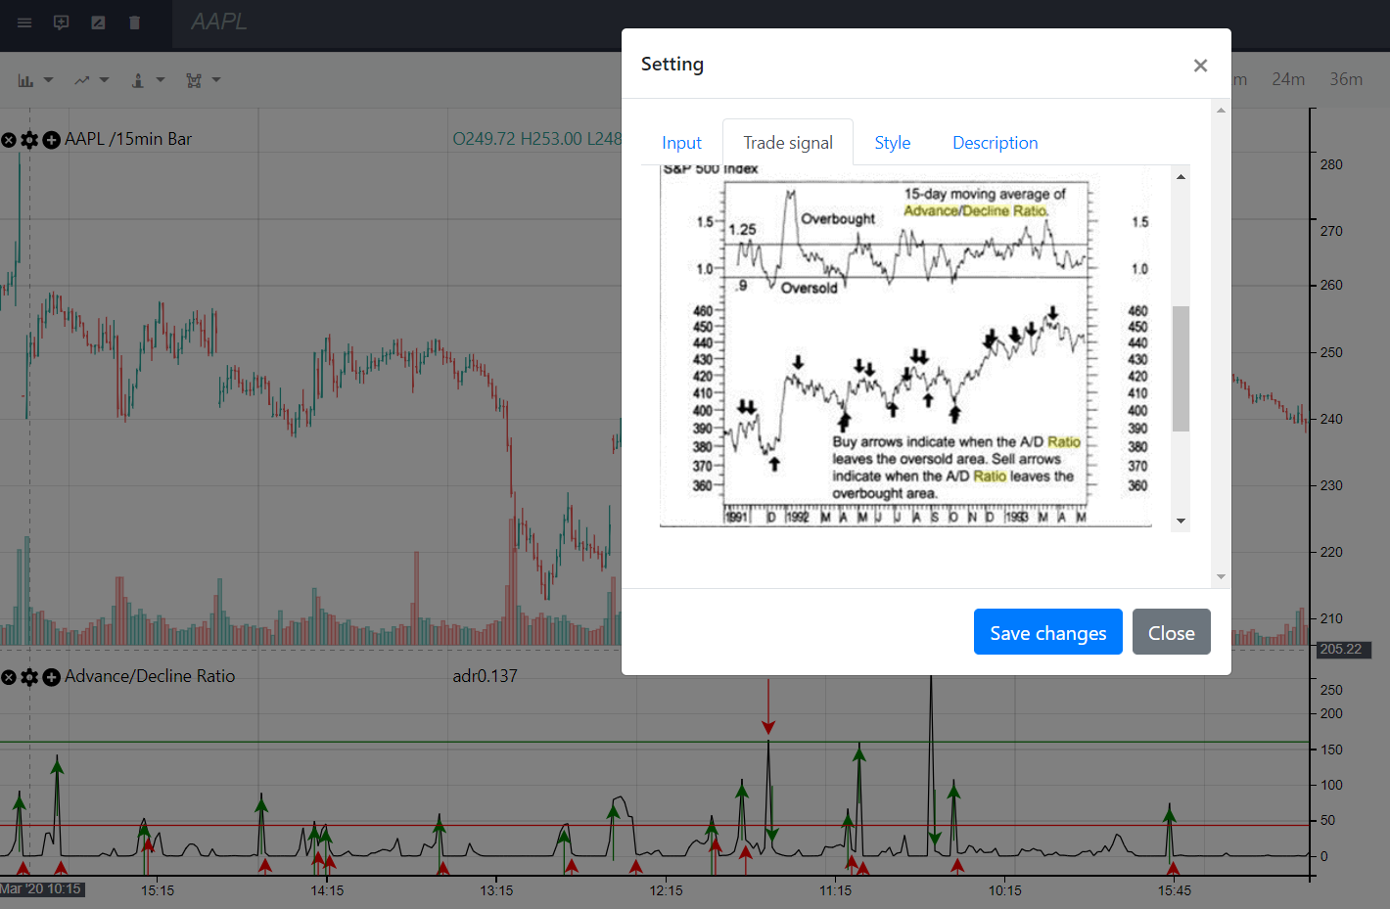
 |  |  |  |  | Max losing streak: | Max losing streak:
 |  |  |  |  | 43 losses in a row | 19 losses in a row
 |  |  |  |  | Max winning streak: | Max winning streak:
 |  |  |  |  | 12 wins in a row | 5 wins in a row
 |  |  |  |  | Average time for buy signal: | Average time for buy signal:
 |  |  |  |  | 0 bars (0.0 hours) | 1 bars (0.2 hours)
 |  |  |  |  | Average time for sell signal: | Average time for sell signal:
 |  |  |  |  | 5 bars (1.2 hours) | 1 bars (0.2 hours)
 |  |  |  |  | Average profit: | Average profit:
 |  |  |  |  | 0.02 % (82 USD at current price) | 0.01 % (21 USD at current price)
 |  |  |  |  | Average loss: | Average loss:
 |  |  |  |  | 0.01 % (29 USD at current price) | 0.00 % (0 USD at current price)
 |  |  |  |  | Interval / Duration: | Interval / Duration:
 |  |  |  |  | 15 min / 41 days | 15 min / 41 days

